1. Title Page
Instacart Data Analysis

Project Name: Instacart Data Analysis
Date: 11.02.2025
Analyst Name: Elvira Klester

Contents:
Population Flow
Consistency checks
Wrangling steps
Column derivations
Visualizations
Recommendations

Data Source
“The Instacart Online Grocery Shopping Dataset 2017”, Accessed from www.instacart.com/datasets/grocery-shopping-2017 via Kaggle on 9/4/2024.

2. Population Flow
Title page

Population flow

Exclusion flag
Condition: max_order < 5
Obervations to be removed: 1,444,295
Final total count of order_products_all: 30,964,564

Orders_products_combined
Orders_products_merged
Orders_products_customers

Total: 32,404,858
Total:32,434,488
Total: 32,404,858

1.) The grey boxes in the first row of the population flow represent the original data sets as they were when you downloaded them. In the Total fields you need to add the count of the rows when you imported the data set into Jupyter.
2.) The second row of boxes (coloured) represents the data sets after you manipulated them, e.g., removed missing values and duplicates. In the Total fields you need to add the count of the rows after conducting these operations. This offers a visual oveview of how the data flows throughout the data consistency checks.
3.) The third row, where also the arrows are coloured, represents the merges you performed between the datasets. In the Total fields you need to add the count of the rows in the merged datasets, so that you end up with the final dataset (in the red box). Keep in mind the final dataset should be without exclusions (based on the exclusion flag).

3. Consistency checks
 |  |  |  | Title page
Consistency checks

Dataset | Missing values | Missing values treatment | Duplicates
orders | 206209(days_since_prior_order) | Flagged all first orders by creating a new column "first_order" | No duplicates
products | 16 (product_name) | removed | No duplicates
orders_products_prior | None | None | None
customers | None | None | None

4. Wrangling steps
 |  |  |  | Title page
Wrangling steps

Columns dropped | Columns renamed | Columns' type changed | Comment/Reason
eval_set | order_hour_of_day -- hour_of_day
 | order_dow -- orders_day_of_week
 | First Name to first_name
 | Surnam to last_name
 | Gender to gender
 | STATE to state
 | Age to age
 |  | user_id | data type changed from integer to string
 |  | order_id | data type changed from integer to string

5. Column derivations
 |  |  |  |  |  | Title page

Column derivations and aggregations

In this tab you should add tables below that the frequences of flags/label variables that you produced after deriving them. NB: don't do this for continuous variables, only for flags.
Dataset | New column | Column/s it was derived from | Conditions
ords_prods_merge | busiest_day | orders_day_of_week | Busiest day: 0, Less busy: 4, Regularly busy: all other days
ords_prods_merge | price_range_loc | prices | High-range-product: > 15$, Mid-range product : from 5 to 15$, Low-range product: <5 $.
ords_prods_merge | busiest_days | orders_day_of_week | Busiest days: 0 or 1, Slowest days: 3 or 4, Regularly busy: all other days
ords_prods_merge | busiest_period_of_day | hour_of_day | Most_orders: 10-16, Fewest_orders: 0-6, Average_orders: all other hours
ords_prods_merge | loyalty_flag | max_order | Loyal customer: > 40 Regular customer: <= 40 & > 10 New customer: < 10
ords_prods_merge | spending_flag | mean_spend | Low spender: > 10 High spender: >= 10
ords_prods_merge | region | state | states defined to regions according to the list
orders_products_customers | activity_flag | max_order | Low-activity customer: < 5 High-activity customer: >= 5
low_activity_excluded | income_group | income | High income: > 150000 Middle income: >= 55000 & < 150000 Low income: < 55000
low_activity_excluded | age_group | age | Senior: > 64 Middle-aged: > 44 & <= 64 Adult: > 25 & <= 44 Young adult: <= 25
low_activity_excluded | dependants_flag | n_dependants | if value == 0 then 'no dependants' if value >= 1 then 'has dependants'

 |  |  |  |  |  |  |  | age_group
spending_flag |  | activity_flag |  | income_group | busiest_day |  |  | middle-aged 9690051
Low_spender 31770614 |  | high-activity customer 30964564 |  | middle-income 22617642 | Regularly busy 22416875 |  |  | adult 9214451
High_spender 634245 |  | low-activity customer 1440295 |  | low-income 4452388 | Busiest day 6204182 |  |  | senior 8195544
Name: count, dtype: int64 |  | Name: count, dtype: int64 |  | high-income 3894534 | Least busy 3783802 |  |  | young adult 3864518
 |  |  |  | Name: count, dtype: int64 | Name: count, dtype: int64 |  | Name: count, dtype: int64
price_range_loc Mid-range product 21860860 Low-range product 10126321 High-range product 417678 Name: count, dtype: int64 |  | busiest_days Regularly busy 12916111 Busiest days 11864412 Slowest days 7624336 Name: count, dtype: int64
 |  |  |  | busiest_period_of_day | loyalty_flag
 |  |  |  | Most_orders 18663868 | Loyal customer10.386336
dependants_flag |  | first_order |  | Average_orders 12854170 | New customer13.294670
has dependants 23224883 |  | False 30328763 |  | Fewest_orders 886821 | Regular customer12.495717
no dependants 7739681 |  | True 2076096 |  | Name: count, dtype: int64
Name: count, dtype: int64 |  | Name: count, dtype: int64

6. Visualizations
 |  |  |  | Title page

Visualisations

In this tab you should include all the visualtions from Exercises 4.9 and 4.10, alongside the questions from the project brief that they answer. Include any commentary on the relationship between different variables.

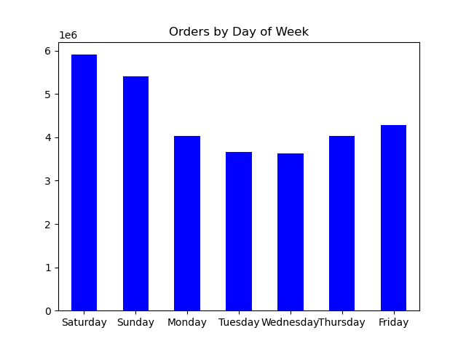


 |  |  | Question: Which hours of day are the busiest?
Question: Which days of week are the busiest? |  |  | Answer: from 10 to 16
Answer: Saturday and Sunday

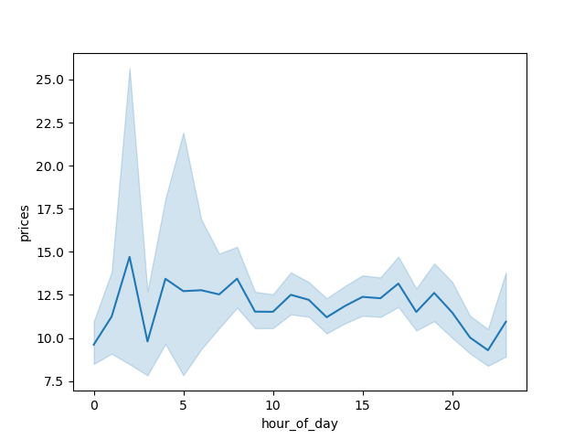
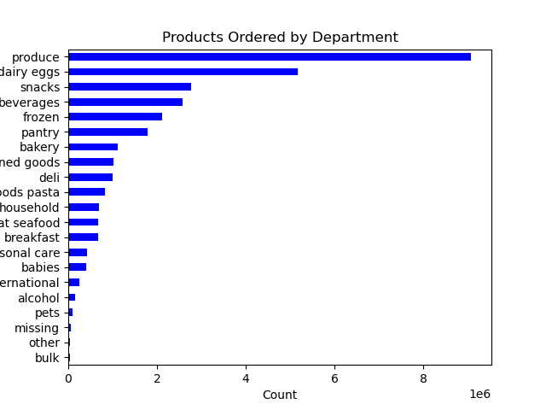

Question: At what times of the day do people tend to spend the most money? |  | Question: Which products are most popular among customers?
Answer: Sales are slightly higher in the morning. |  | Answer: Produce, dairy/eggs, snacks, beverages

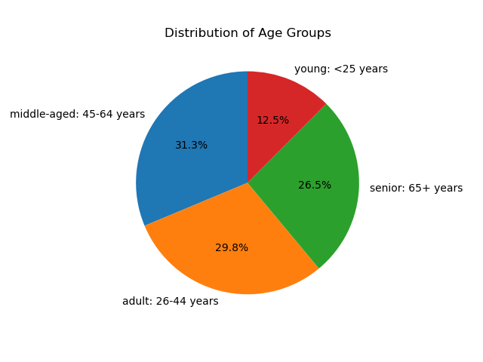

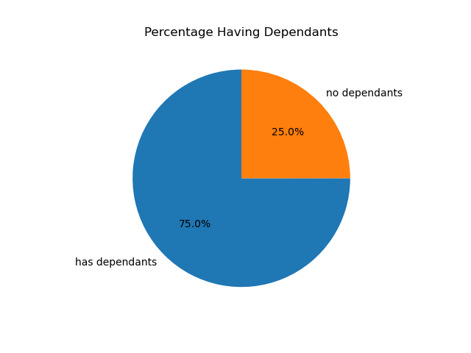
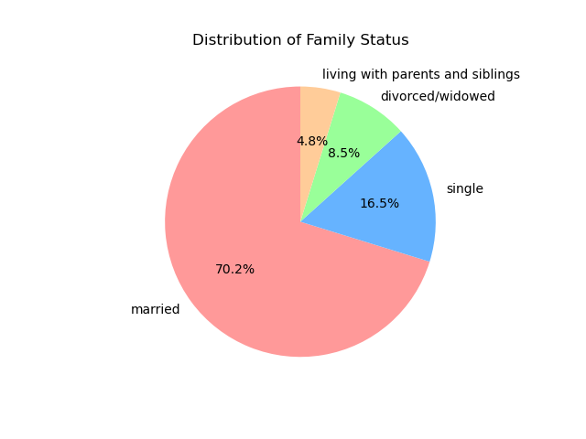

Question: What demographic categories can be identified, such as age, income or family status?
Answer: Most customers are adult or middle-aged, married, and have dependants. Additionally, individuals in the upper income bracket are often over 40.

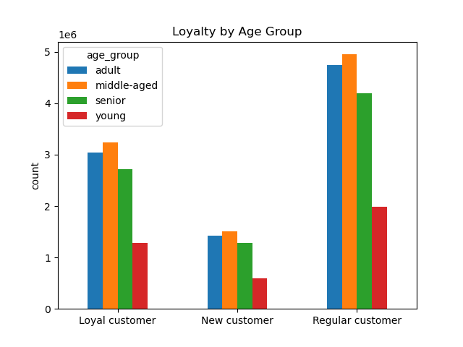
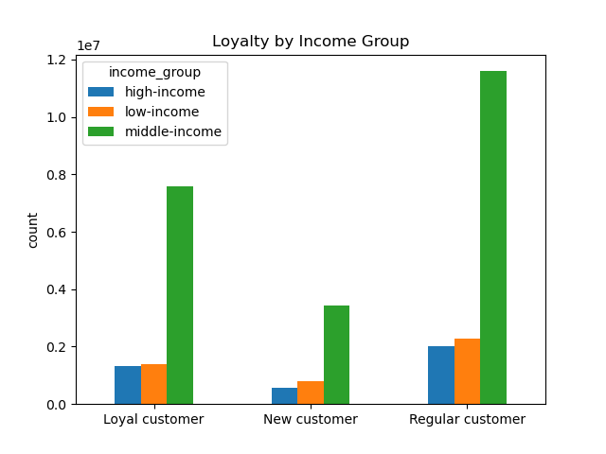

Question: What is the distribution among users as to how often they return to Instacart?
Answer: Most of the customers are middle-aged and have middle income.

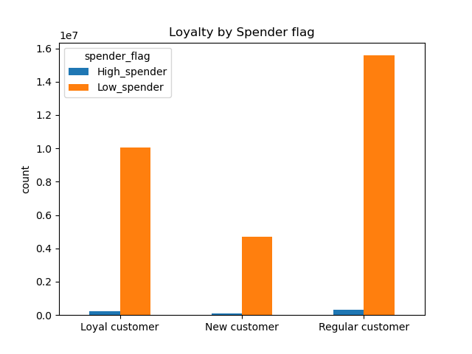

Question: Are there more high spender or low spender based on loyalty status?
Answer: Most of the customers are low-spender

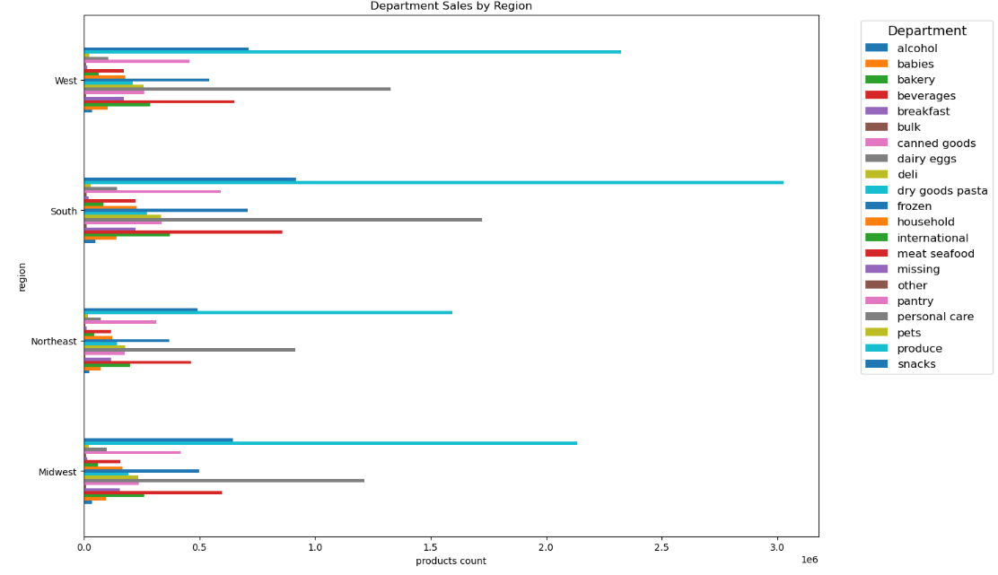

 | Question: Do ordering habits vary by region?
 | Answer: produce, dairy/eggs and beverage are the most popular products in all regions.

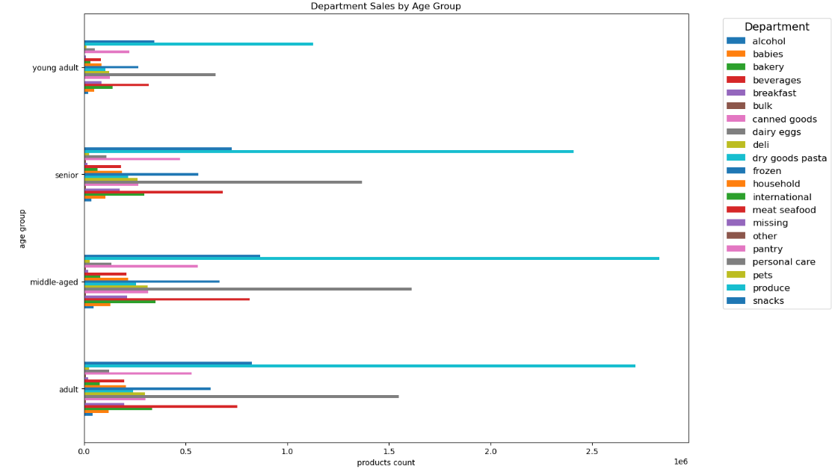

 | Question: Is there a difference in preferences between different age groups?
 | Answer: produce, dairy/eggs and beverage are the most popular products among all age groups.

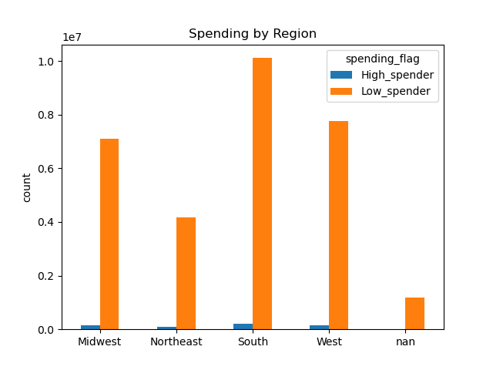

 | Question: how do customers differ in spending depending on the region?
 | Answer: the most customers in all regions are low spenders

7. Recommendations
 |  |  | Title page

Recommendations

Question | Answer | Reccomendations
At what times of the day do people tend to spend the most money? | Sales are slightly higher in the morning, also on weekend. | Frequently Bought Together" Recommendations: Show complementary products (e.g., pasta + sauce, chips + dip). Upgrades & Premium Options: Suggest higher-quality or bulk-size alternatives.
Which days of the week and hours of the day are the busiest? | The busiest days of week are Saturday and Sunday.People place the most orders from 10 to 16 | Day-Specific Deals: Offer exclusive discounts on slow days (e.g., “Tuesday Savings” ). Bundle Offers: Create product bundles at a discounted price to encourage larger purchases. Limited-Time Flash Sales: Run short-term flash sales to create urgency.
Which products are the most popular? | Produce, dairy, eggs, beverages | To increase sales of most popular products: - -Offer "Breakfast Packs" with milk, eggs, and juice, Buy More, Save More” deals (e.g., buy 3 milk cartons, get 10% off). To boost sales of low popularity products: Happy Hour Deals, Pairing & Cross-Selling Strategies
Do ordering habits vary depending on customer loyalty status? | Most of the customers are low spender | Let customers subscribe & save on essentials like milk and bread. Offer a loyalty-based discount for frequent shoppers.
What demographic categories can be identified, such as age, income or family status? | Most customers are adult or middle-aged, married, and have dependants. | Introduce a "Family Reward Program" offering discounts based on purchase frequency.
4o

